Report_Name(1)
Project Name: | Final MSTR Project
Trainee Name: | PRATISHTHA SHARMA
Report Name | 1. Sales and Profit Analysis by Sales Territory and Year
Description | This report is used to compare Total Inc Tax, Quantity and Profit for a given Sales Territory and year with last year. It also gives the percentage variance of this year’s over last year’s.
Custom SQL Date | 29th May 2023

with ct1 as ( select d.[Calendar Year],c.[Sales Territory],sum(s.[Total Including Tax]) as [Total Including Tax] ,sum(s.Quantity) as Quantity,sum(s.Profit) as Profit from Fact.Sale s inner join Dimension.City c on s.[City Key] = c.[City Key] join Dimension.Date d on s.[Invoice Date Key] = d.Date group by c.[Sales Territory],d.[Calendar Year] ) select ct1.[Calendar Year],ct1.[Sales Territory],ct1.[Total Including Tax] as [This Year Total Inc Tax],ct1.Quantity as [This Year Quantity],ct1.Profit as [This Year Profit],ct2.[Total Including Tax] as [Last Year Total Inc Tax],ct2.Quantity as [Last Year Quantity],ct2.Profit as [Last Year Profit] from ct1 left outer join ct1 ct2 on ct1.[Calendar Year] = ct2.[Calendar Year] + 1 and ct1.[Sales Territory] = ct2.[Sales Territory] order by 1,2; |  | 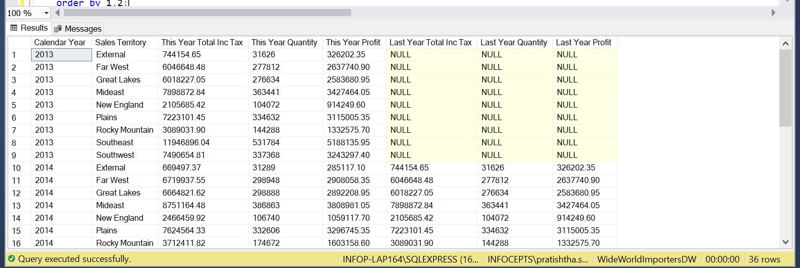 SQL Output Snapshot

Report_Name (2)
Project Name: | Final MSTR Project
Trainee Name: | PRATISHTHA SHARMA
Report Name | Top 5 State Province | Top 5 Customers | Top 5 Employees for a selected Fiscal Year
Description | The objective is to display the Top performing State Province, High value Customers and High performing Employees in a single report. The report should display the Top 5 in each of these categories based on Total Excluding Tax.
Custom SQL Date | 29th May 2023

SELECT TOP 5 D.[FISCAL YEAR],C.[STATE PROVINCE],SUM(FS.[TOTAL EXCLUDING TAX]), RANK() OVER (PARTITION BY D.[FISCAL YEAR] ORDER BY SUM(FS.[TOTAL EXCLUDING TAX]) DESC) FROM FACT.SALE FS INNER JOIN DIMENSION.CITY C ON FS.[CITY KEY] = C.[CITY KEY] INNER JOIN DIMENSION.DATE D ON FS.[INVOICE DATE KEY] = D.DATE GROUP BY D.[FISCAL YEAR] , C.[STATE PROVINCE] SELECT TOP 5 D.[FISCAL YEAR],C.CUSTOMER,SUM(FS.[TOTAL EXCLUDING TAX]),RANK() OVER(PARTITION BY D.[FISCAL YEAR] ORDER BY SUM(FS.[TOTAL EXCLUDING TAX]) DESC) FROM FACT.SALE FS INNER JOIN DIMENSION.CUSTOMER C ON FS.[CUSTOMER KEY] =C.[CUSTOMER KEY] INNER JOIN DIMENSION.DATE D ON FS.[INVOICE DATE KEY]=D.DATE GROUP BY D.[FISCAL YEAR],C.CUSTOMER SELECT TOP 5 D.[FISCAL YEAR],E.EMPLOYEE, SUM(FS.[TOTAL EXCLUDING TAX]) AS[REVENUE],RANK() OVER(PARTITION BY D.[FISCAL YEAR] ORDER BY SUM(FS.[TOTAL EXCLUDING TAX])DESC) AS [RANK] FROM FACT.SALE FS INNER JOIN DIMENSION.EMPLOYEE E ON FS.[SALESPERSON KEY] =E.[EMPLOYEE KEY] INNER JOIN DIMENSION.DATE D ON FS.[INVOICE DATE KEY]= D.DATE GROUP BY D.[FISCAL YEAR],E.EMPLOYEE ORDER BY 1,4 |  | 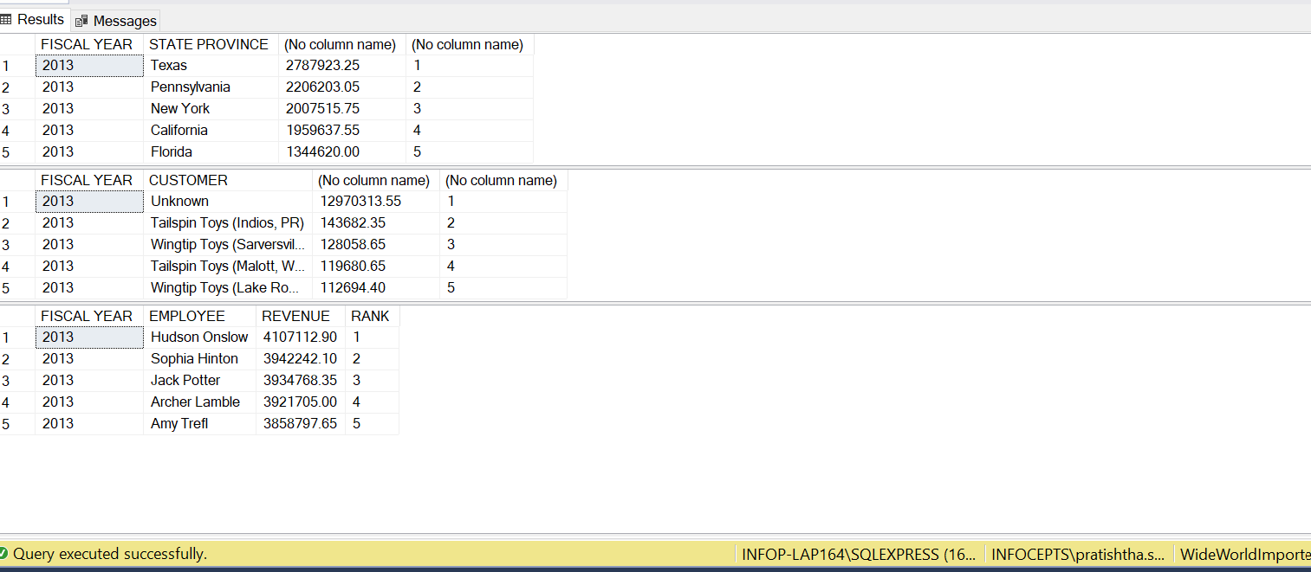

Report_Name (4)
Project Name: | Final MSTR Project
Trainee Name: | PRATISHTHA SHARMA
Report Name | Item ordered but never Picked up for delivery by Month
Description | This report displays Stock Item wise Sales and Unit Sold for all Stock item for which order was placed but they were not picked up for delivery during every month
Custom SQL Date

select d.Month,max(si.[Stock Item]) as [Stock Item], sum(s.[Total Including Tax]) as [Total Including Tax], sum(s.Quantity) as Quantity From Fact.[Order] s join Dimension.Date d on s.[Order Date Key] = d.Date join Dimension.[Stock Item] si on s.[Stock Item Key] = si.[Stock Item Key] where s.[Picked Date Key] is null group by d.Month,si.[Stock Item Key] order by 3 desc,4 desc; |  | 